tabela z krzywymi
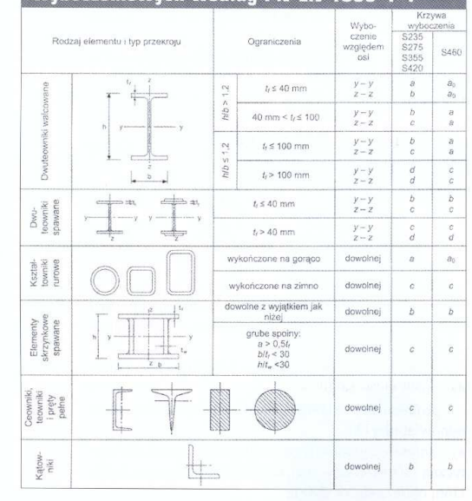

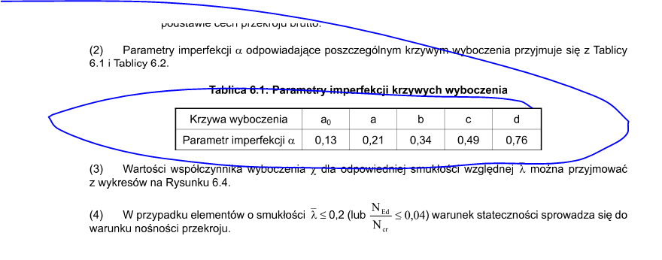

 |  |  |  | a0 | 0.13
 |  |  |  | a | 0.21
 |  |  |  | b | 0.34
 |  |  |  | c | 0.49
 |  |  |  | d | 0.76

 | A [cm2] | Imin [cm4] | m [kg/m]
-
CFCHS42.4x3.2 | 3.94 | 7.62 | 3
CFRHS50x4 | 6.95 | 23.74 | 5.45
CFRHS60x4 | 8.55 | 43.6 | 6.71
CFRHS60x5 | 10.4 | 50.5 | 8.13
CFRHS60x6 | 12 | 56.1 | 9.45
CFRHS70x3 | 7.81 | 57.5 | 6.13
CFRHS70x4 | 10.1 | 72.1 | 7.97
CFRHS70x5 | 12.4 | 84.6
CFRHS80x4 | 11.7 | 111 | 9.22
CFRHS90x3 | 10.2 | 127.3 | 8.01
CFRHS90x5 | 16.36 | 316.26 | 8.01
CFRHS100x4 | 14.9 | 226.4 | 11.7
CFRHS100x5 | 18.4 | 271.1 | 14.4
CFRHS120x4 | 18.1 | 402.3 | 14.2
CFRHS120x5 | 22.4 | 485.5 | 17.5
CFRHS120x8 | 33.6 | 676.9 | 26.4
CFRHS140x4 | 21.3 | 651.6 | 16.8
CFRHS150x4 | 22.9 | 807.8 | 18
CFRHS160x6 | 36 | 1405.5 | 28.3
CFRHS200x6 | 45.6 | 2832.7 | 35.8
IPE240 (mocna) | 39.12 | 5790 | 30.7
IPE240 (słaba) | 39.12 | 419.9 | 30.7
HEB180 | 65.3 | 3830 | 51.2
HEB300 | 149 | 8560
HEB400 | 197.8 | 10819 | 155
HEB450 | 218 | 11721 | 171
HEA220 | 119.9 | 3888 | 94.1
HEA160 (+) | 38.77 | 1673 | 30.4
HEA160 (-) | 38.77 | 615.6 | 30.4
HEA180 | 45.3 | 925 | 35.5
HEA180 (mocna) | 45.3 | 2510 | 35.5
HEA360 (mocna) | 142.8 | 33090 | 112.1
HEA360 (slaba) | 142.8 | 7890 | 112.1
BL 1,5x1000 | 15 | 0.00421875 | 11.775
BL 25x180 | 25 | 1215 | 109.02777778
UPE 160 (mocna) | 21.7 | 911 | 17
UPE 160 (slaba) | 21.7 | 107 | 17
-

